Read me!
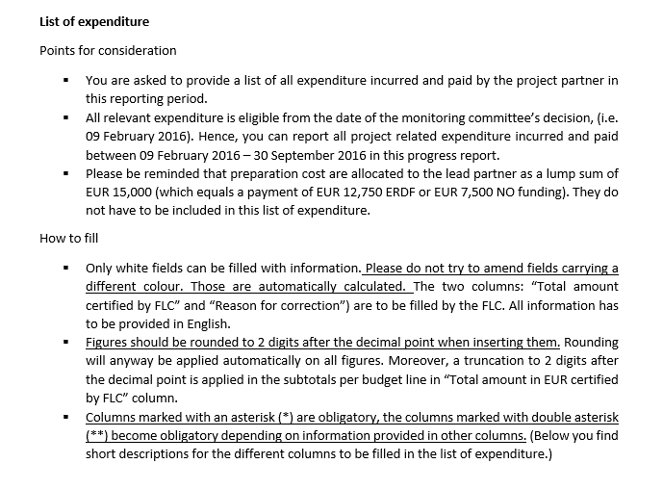
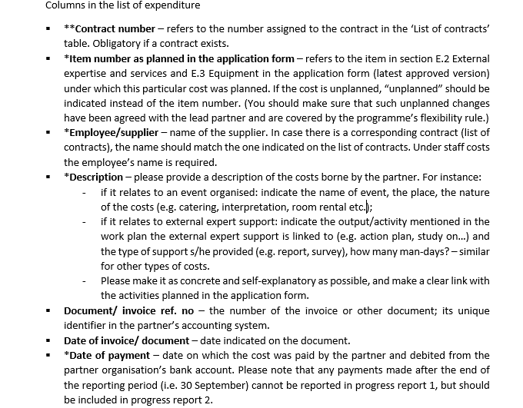
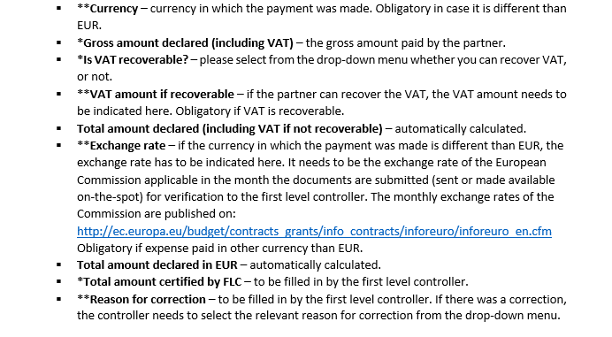
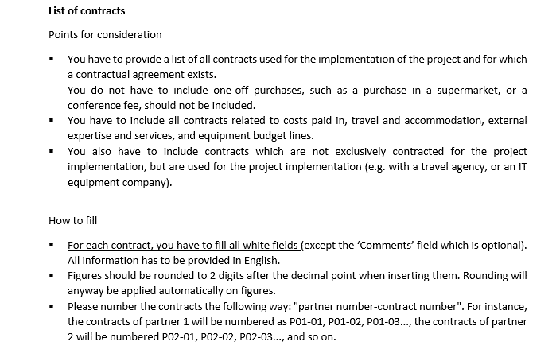

Example | List of contracts

N° | Supplier name | Contracted amount (excluding VAT) in EUR | Contracted amount (including VAT) in EUR | Above EU threshold (Select y/n) | Procedure applied (drop down menu) | Contract type | Reported amount in current report | Comments (optional)
P01-01 | Berta Conference Center | 3,340.00 | 4,000.00 | no | Comparison of 3 offers | Services | 4,000.00
P01-02 | Consultia | 34,830.00 | 43,000.00 | no | Open procedure | Services | 17,000.00
P01-03 | Graffe Auditing | 4,860.00 | 6,000.00 | no | Direct award of contract | Services | 738.50
P01-04 | COMPIX IT supplies | 178,200.00 | 220,000.00 | yes | Open procedure | Supply | 225.25

Example | List of expenditure

Budget line | **Contract number as indicated in the list of contracts (if applicable) | *Item number as planned in the application form | *Employee/supplier | *Description | Document/ invoice ref. no | Date of document/ invoice | *Date of payment | **Currency | *Gross amount declared (including VAT) | *Is VAT recoverable? (select - y/n) | **VAT amount if recoverable | Total amount declared (including VAT if not recoverable) (Automatic calculation) | **Exchange rate | Total amount declared in EUR (Automatic calculation) | *Total amount certified by FLC | **in case of FLC correction: Error related to
Staff |  |  | Julie Helper | Coordinator |  |  |  | n/a | 2,758.36 | no |  | 2,758.36 |  | 2,758.36 | 2,758.36
 |  |  | James McCash | Finance manager |  |  |  | n/a | 1,536.79 | no |  | 1,536.79 |  | 1,536.79 | 1,536.79
 |  |  | Catherine Heller | Communication manager |  |  |  | n/a | 2,549.23 | no |  | 2,549.23 |  | 2,549.23 | 2,540.30 | Miscalculation
 |  |  | Alex Busy | Content responsible |  |  |  | n/a | 9,653.52 | no |  | 9,653.52 |  | 9,653.52 | 8,500.00 | Link to project
 |  |  |  |  |  |  |  |  |  |  |  |  | Total Staff | 16,497.90 | 15,335.45
Administration |  |  |  |  |  |  |  |  |  |  |  |  | 15% of staff costs | 2,474.69 | 2,300.32
Travel and accommodation | n/a |  | AllItalia | 3 return flights to project meeting in Florence | CTP12B | 2016-03-01 | 2016-03-15 | n/a | 1,257.50 | no |  | 1,257.50 |  | 1,257.50 | 1,257.50
 | n/a |  | Alex Busy | Hotel 1 night (Busy, Helper, Heller) | CTP22B | 2016-03-18 | 2016-03-31 | n/a | 365.80 | no |  | 365.80 |  | 365.80 | 365.80
 | n/a |  | Alex Busy | train tickets to project meeting in Brussels | CTP33B | 2016-09-15 | 2016-09-20 | n/a | 40.80 | no |  | 40.80 |  | 40.80 | 40.80
 | n/a |  | Hotel Sofia | 2 nights for Busy, Heller, Helper | CTP07B | 2016-05-07 | 2016-05-10 | Bulgarian Lev | 600.00 | no |  | 600.00 | 0.51 | 306.78 | 306.78
 |  |  |  |  |  |  |  |  |  |  |  |  | Total Travel & accommodation | 1,970.88 | 1,970.88
External expertise and services | P01-01 | 27 | Berta Conference Center | Venue for interregional meeting | CTP42B | 2016-11-05 | 2016-11-15 | n/a | 4,000.00 | no |  | 4,000.00 |  | 4,000.00 | 4,000.00
 | P01-03 | 19 | Graffe Auditing | FLC PR1 | CTP62B | 2016-10-15 | 2016-10-27 | n/a | 738.50 | no |  | 738.50 |  | 738.50 | 738.50
 | P01-02 | 18 | Consultia | Study on good practices | CTP73B | 2016-12-15 | 2017-01-07 | n/a | 17,000.00 | no |  | 17,000.00 |  | 17,000.00 | 17,000.00
 | n/a | 27 | Supermarket | Food for coffee break of SG meeting | CTP76B | 2016-11-04 | 2016-11-04 | n/a | 28.23 | no |  | 28.23 |  | 28.23 | 28.23
 |  |  |  |  |  |  |  |  |  |  |  | 0.00 |  | 0.00
 |  |  |  |  |  |  |  |  |  |  |  |  | Total External expertise and services | 21,766.73 | 21,766.73
Equipment | n/a | unplanned | Chemtrails Ltd | laboratory equipment | CTP99P | 2017-02-01 | 2017-02-15 | n/a | 153.20 | no |  | 153.20 |  | 153.20 | 0.00 | Other ineligible expenditure
 | P01-04 | 1 | COMPIX IT supplies | Computer for project (1/6 depreciation) | CTP102P | 2016-05-15 | 2016-05-30 | n/a | 225.25 | no |  | 225.25 |  | 225.25 | 225.25
 |  |  |  |  |  |  |  |  |  |  |  | 0.00 |  | 0.00
 |  |  |  |  |  |  |  |  |  |  |  |  | Total Equipment | 378.45 | 225.25
Total |  |  |  |  |  |  |  |  |  |  |  |  | Total | 43,088.65 | 41,598.63

